Notes
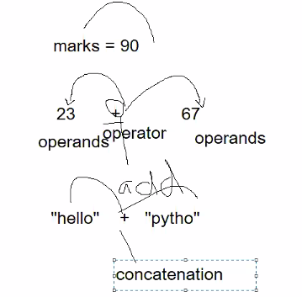
conda environment | An environment contains specific collection of Conda packages/Libraries/Modules….better to create a new environment for each project | conda env list
 | you can share your environment with someone by sharing the copy of environment.yaml file
shift+tab | to see parameters/signature of the functions
Variables/identifier | This is container to store the values/object.
go to edit --> insert Image | slect Markdown mode to insert image in Jupyter cell
Console value/Input value | Whenever we take intger value from console or using Input fuction..data type will be string. Age=input("Enter your age")…print(type(Age))--it will be string and not int… recommended that always convert numeric value into float and then int(if required) i-e age=int(float(input("Enter your age")
Iterable entity | Any entiity in python that has index is iterable..iterbale means that we can study each element of that entity seperately.String,list,tuple are iterable(Int is not iterable)

Packing/Unpacking | if we assign more than 1 value in a variable ..it's stored as tuple by dafault..and its called packing…and it can be unpacked by assigning number of variables equvilent to values. | a=1,2,3,
 |  | a=1,2,3 print(a)=(1,2,3)--Type is Tuple and it is called packing x,y,z=a then 1 is assigned to z,2 is assigned to y and 3 is assigned to z..and this is called unpacking

